3. Salary Survey
This Salary Survey is for California Offices only. Replace all sample data with your company data. List each employee separately. List employees in any order that is convenient for you (by office, by job, …). Select only from the provided Survey Job Choices and Survey Grades. Scroll right to see the Grade Descriptions.

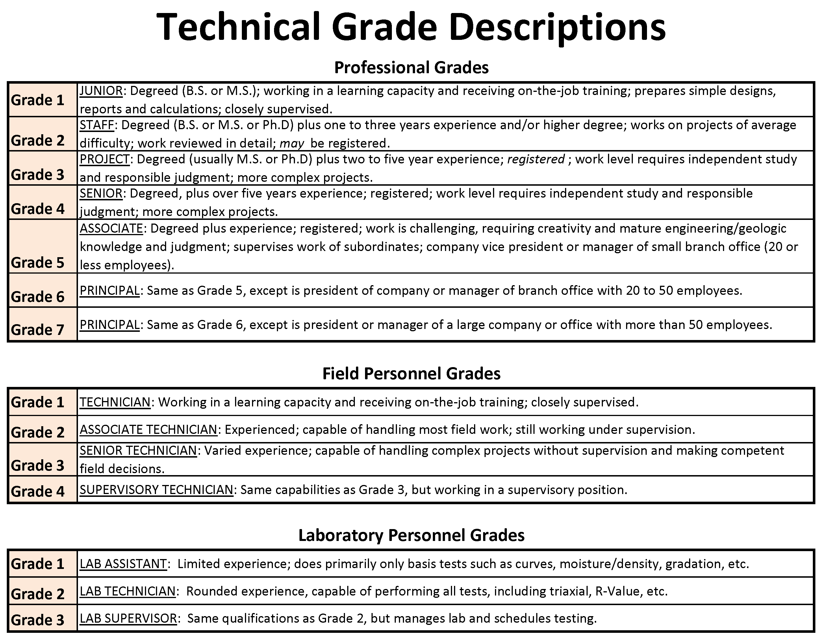
EMPLOYEE NO. (NOT SSN) | SURVEY JOB CHOICES Engineer Geologist Soils Field Tech Soils Lab Tech Other Special Inspector Env Engineer Env Scientist/IH Env Tech Drafting/CAD/GIS | SURVEY GRADE See Grades Chart>> | OFFICE CITY | OFFICE ZIPCODE | CALGEO LOCATION ZONE (1,2,3 or 4) See Zone Key>> | YEARLY SALARY IF 'EXEMPT' | HOURLY RATE IF 'NON-EXEMPT' | YEARLY BONUS | MONTHLY VEHICLE ALLOWANCE | PE or PG | GE or CEG | Technician ICC Soils Cert | Other Technician Cert (i.e. NICET, ICC Concrete, …) | Company Vehicle | Company Phone | Credit Card | Flex Time | Medical/Dental/Vision | Retirement/401(k) | Profit Sharing | Stock Ownership | Emp. Stock Ownership Plan [ESOP] | Scroll Down to See All Grade Descriptions and the Zone Key.
1 (or ID)
2 (or ID)
3 (or ID)
4 (or ID)
5 (or ID)
6 (or ID)
7 (or ID)
8 (or ID)
9 (or ID)
10 (or ID)
11 (or ID)
12 (or ID)
13 (or ID)
14 (or ID)
15 (or ID)
16 (or ID)
17 (or ID)
18 (or ID)
19 (or ID)
20 (or ID)
21 (or ID)
22 (or ID)
23 (or ID)
24 (or ID)
25 (or ID)
26 (or ID)
27 (or ID)
28 (or ID)
29 (or ID)
30 (or ID)
31 (or ID)
32 (or ID)
33 (or ID)
34 (or ID)
35 (or ID)
36 (or ID)
37 (or ID)
38 (or ID)
39 (or ID)
40 (or ID)
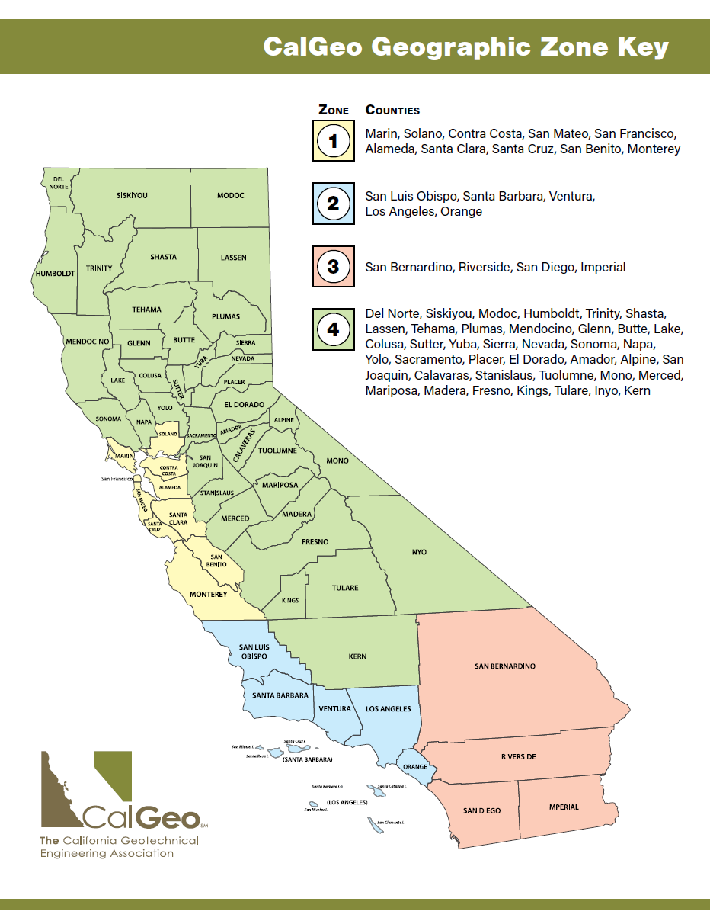
41 (or ID)
42 (or ID)
43 (or ID)
44 (or ID)
45 (or ID)
46 (or ID)
47 (or ID)
48 (or ID)
49 (or ID)
50 (or ID)
51 (or ID)
52 (or ID)
53 (or ID)
54 (or ID)
55 (or ID)
56 (or ID)
57 (or ID)
58 (or ID)
59 (or ID)
60 (or ID)
61 (or ID)
62 (or ID)
63 (or ID)
64 (or ID)
65 (or ID)
66 (or ID)
67 (or ID)
68 (or ID)
69 (or ID)
70 (or ID)
71 (or ID)
72 (or ID)
73 (or ID)
74 (or ID)
75 (or ID)
Insert additional rows if necessary.

Page 3 of 4
 |  |  |  |  |  | ***Use tabs below to navigate to Administrative Salary Survey***

4. Administrative Salary Survey
This Salary Survey is for California Offices only. Replace all sample data with your company data. List each employee separately. List employees in any order that is convenient for you (by office, by job, …). Select only from the provided Survey Job Choices. Scroll right to see Administrative Job Descriptions.

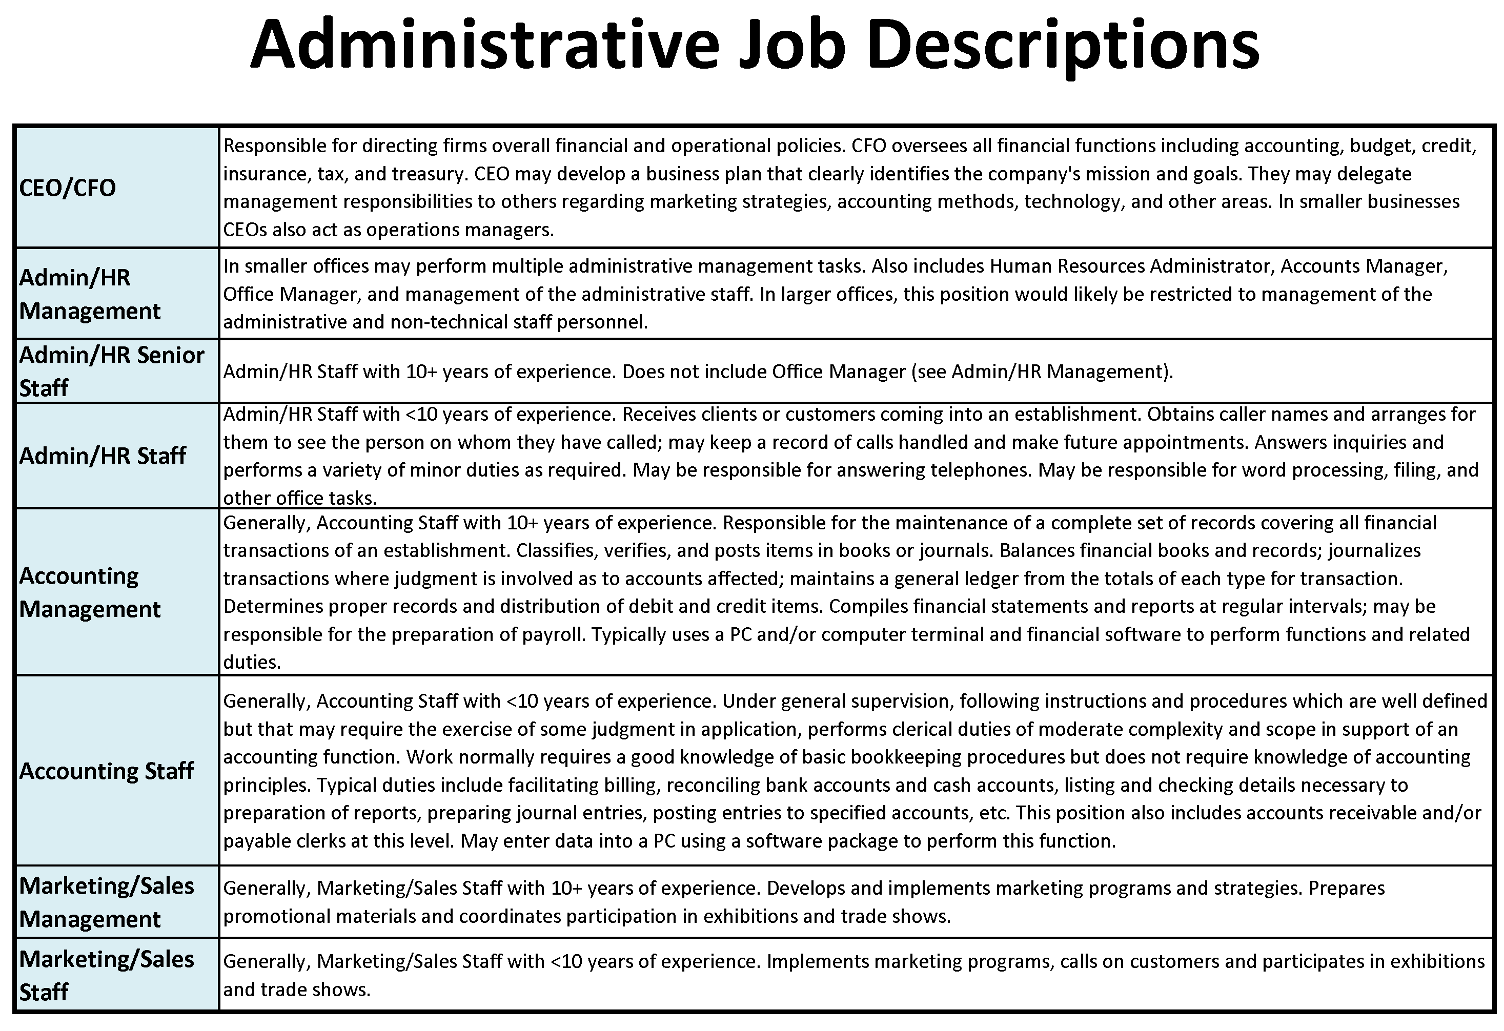
EMPLOYEE NO. (NOT SSN) | SURVEY JOB CHOICES CEO/CFO Admin/HR Management Admin/HR Senior Staff Admin/HR Staff Accounting Management Accounting Staff Marketing/Sales Management Marketing/Sales Staff See Descriptions Chart>> | Leave Blank | OFFICE CITY | OFFICE ZIPCODE | CALGEO LOCATION ZONE (1,2,3 or 4) See Zone Key>> | YEARLY SALARY IF 'EXEMPT' | HOURLY RATE IF 'NON-EXEMPT' | YEARLY BONUS | MONTHLY VEHICLE ALLOWANCE | Leave Blank | Leave Blank | Leave Blank | Leave Blank | Company Vehicle | Company Phone | Credit Card | Flex Time | Medical/Dental/Vision | Retirement/401(k) | Profit Sharing | Stock Ownership | Emp. Stock Ownership Plan [ESOP] | Scroll Down to See All Job Descriptions and the Zone Key.
1 (or ID)
2 (or ID)
3 (or ID)
4 (or ID)
5 (or ID)
6 (or ID)
7 (or ID)
8 (or ID)
9 (or ID)
10 (or ID)
11 (or ID)
12 (or ID)
13 (or ID)
14 (or ID)
15 (or ID)
16 (or ID)
17 (or ID)
18 (or ID)
19 (or ID)
20 (or ID)
21 (or ID)
22 (or ID)
23 (or ID)
24 (or ID)
25 (or ID)
26 (or ID)
27 (or ID)
28 (or ID)
29 (or ID)
30 (or ID)
31 (or ID)
32 (or ID)
33 (or ID)
34 (or ID)
35 (or ID)
36 (or ID)
37 (or ID)
38 (or ID)
39 (or ID)
40 (or ID)
41 (or ID)
42 (or ID)
43 (or ID)
44 (or ID)
45 (or ID)
46 (or ID)
47 (or ID)
48 (or ID)
49 (or ID)
50 (or ID)
51 (or ID)
52 (or ID)
53 (or ID)
54 (or ID)
55 (or ID)
56 (or ID)
57 (or ID)
58 (or ID)
59 (or ID)
60 (or ID)
61 (or ID)
62 (or ID)
63 (or ID)
64 (or ID)
65 (or ID)
66 (or ID)
67 (or ID)
68 (or ID)
69 (or ID)
70 (or ID)
71 (or ID)
72 (or ID)
73 (or ID)
74 (or ID)
75 (or ID)
Insert additional rows if necessary.

Page 4 of 4
Salary Survey Complete. Thank you!

